Search_Strategy
Detailed Search Strategy
Document the complete, reproducible search process. Keep the exact query used for every database.

Protocol Item | Value | Guidance
Search Objective | Mengidentifikasi studi yang mengusulkan, mengevaluasi, atau membandingkan arsitektur world model berbasis JEPA dan generatif pada domain video dan simulasi digital, dengan fokus pada tiga tugas hilir (downstream tasks): video/frame prediction, representation probing untuk pemahaman visual/aksi, dan planning/control pada simulasi digital (model-based RL). | State what the search is designed to identify.
Search Period | Januari 2018 - September 2026 | Example: January 2018 – December 2026
Search Date(s) | Pencarian resmi dieksekusi pada 22 September 2026 melalui API 7 basis data ilmiah (bukan lagi "akan dicatat" / rencana - protokol telah dieksekusi penuh dan divalidasi). | Record actual search dates.
Search Queries | Struktur boolean berjenjang: (Konsep 1 - World Model) AND (Konsep 2 - Arsitektur JEPA vs Generatif) AND (Konsep 3 - Domain & Tugas Hilir/Video). Dieksekusi sebagai 61 kueri turunan spesifik per basis data (bukan satu string tunggal): 14 kueri CrossRef, 10 OpenAlex, 12 Springer Nature, 4 ScienceDirect, 10 Semantic Scholar, 6 Scopus, 5 PubMed. Rincian setiap kueri tercatat pada Database Search Log di bawah. | Example: ("intrution detection" OR "intrution detection system" OR "IDS") AND ("machine learning" OR "deep learning")
Publication Type | Hanya artikel jurnal ilmiah (peer-reviewed journal articles). Prosiding konferensi, naskah preprint (arXiv), buku, bab buku, editorial, dan laporan teknis ditolak. | Journal articles, conference papers, etc.
Snowballing | None - pencarian murni berbasis API 7 basis data terindeks untuk mencegah bias subjektif (0 rekaman tambahan dari snowballing). | Backward / forward / both / none
Other Search Methods | Tidak ada hand-searching atau Google Scholar. IEEE Xplore menunggu approval aktivasi resmi API key; artikel IEEE berbobot (IEEE RA-L, IEEE TAI, dsb.) sudah ter-cover penuh melalui indexing Scopus dan CrossRef. | Hand-searching, grey literature, websites, etc.

Database Search Log (diisi saat proses conducting)
Database/Source | Platform/URL | Search Date | Exact Search String | Filters / Limits | Results Returned (number of papers) | Notes
CrossRef | api.crossref.org/works (Polite Pool) / search.crossref.org | 2026-09-22 | 14 Kueri Terarah: 1. world model JEPA video prediction 2. joint embedding predictive architecture video 3. world model generative video diffusion 4. V-JEPA video representation self-supervised 5. generative world model reinforcement learning 6. latent dynamics model video prediction 7. video world model visual planning simulation 8. I-JEPA joint embedding predictive architecture 9. autoregressive world model video generation 10. diffusion world model interactive simulation 11. learned dynamics model video reinforcement learning 12. action-conditioned video prediction world model 13. hierarchical JEPA planning robotics 14. spatiotemporal world model video forecasting | Tahun 2018-2026; Type: journal-article; Rows: 100/kueri | 1067 | Hasil unik setelah dedup internal: 1.062 artikel. | 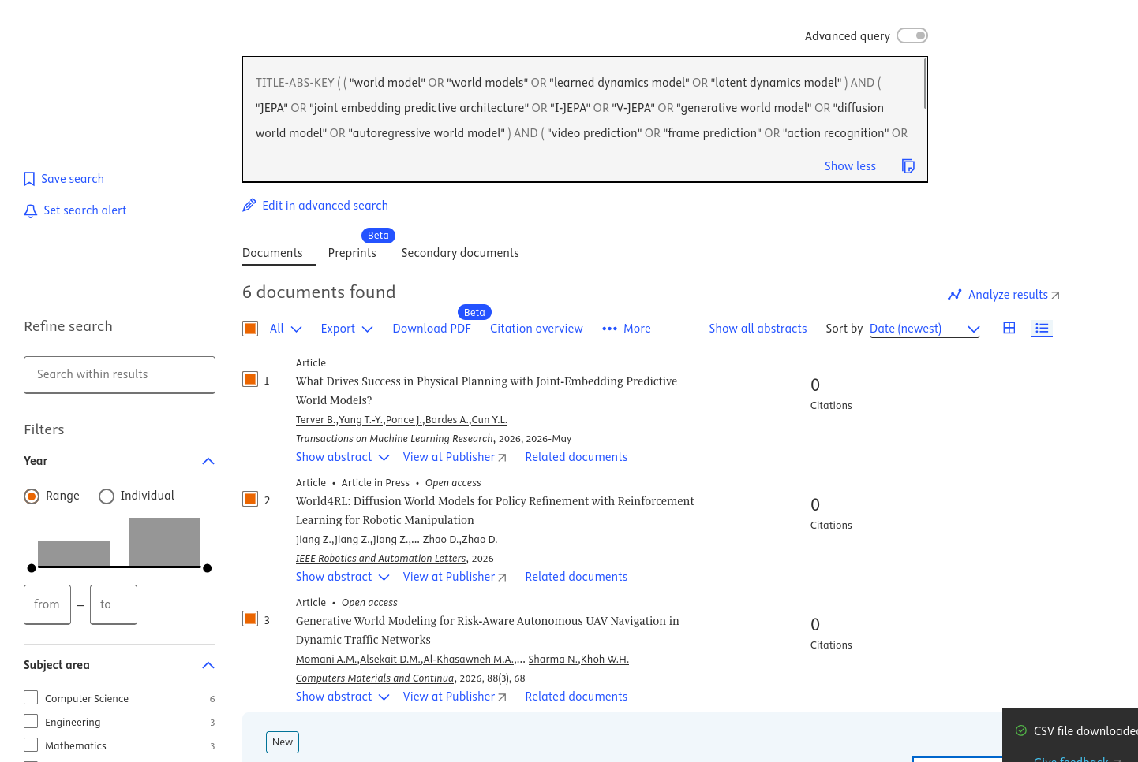
OpenAlex | api.openalex.org/works (Open Catalog) / openalex.org | 2026-09-22 | 10 Kueri Terstruktur (Q1-Q10): 1. world model JEPA video prediction generative 2. world model video JEPA generative diffusion 3. world model video prediction video generation 4. world model video generation planning 5. V-JEPA I-JEPA representation learning 6. generative world model reinforcement learning 7. latent dynamics model video prediction 8. video world model autoregressive transformer 9. diffusion world model simulation planning 10. world model visual representation self-supervised | from_publication_date:2018-01-01; type:article; Per-page: 50 | 919 | Hasil unik: 916 artikel. | 
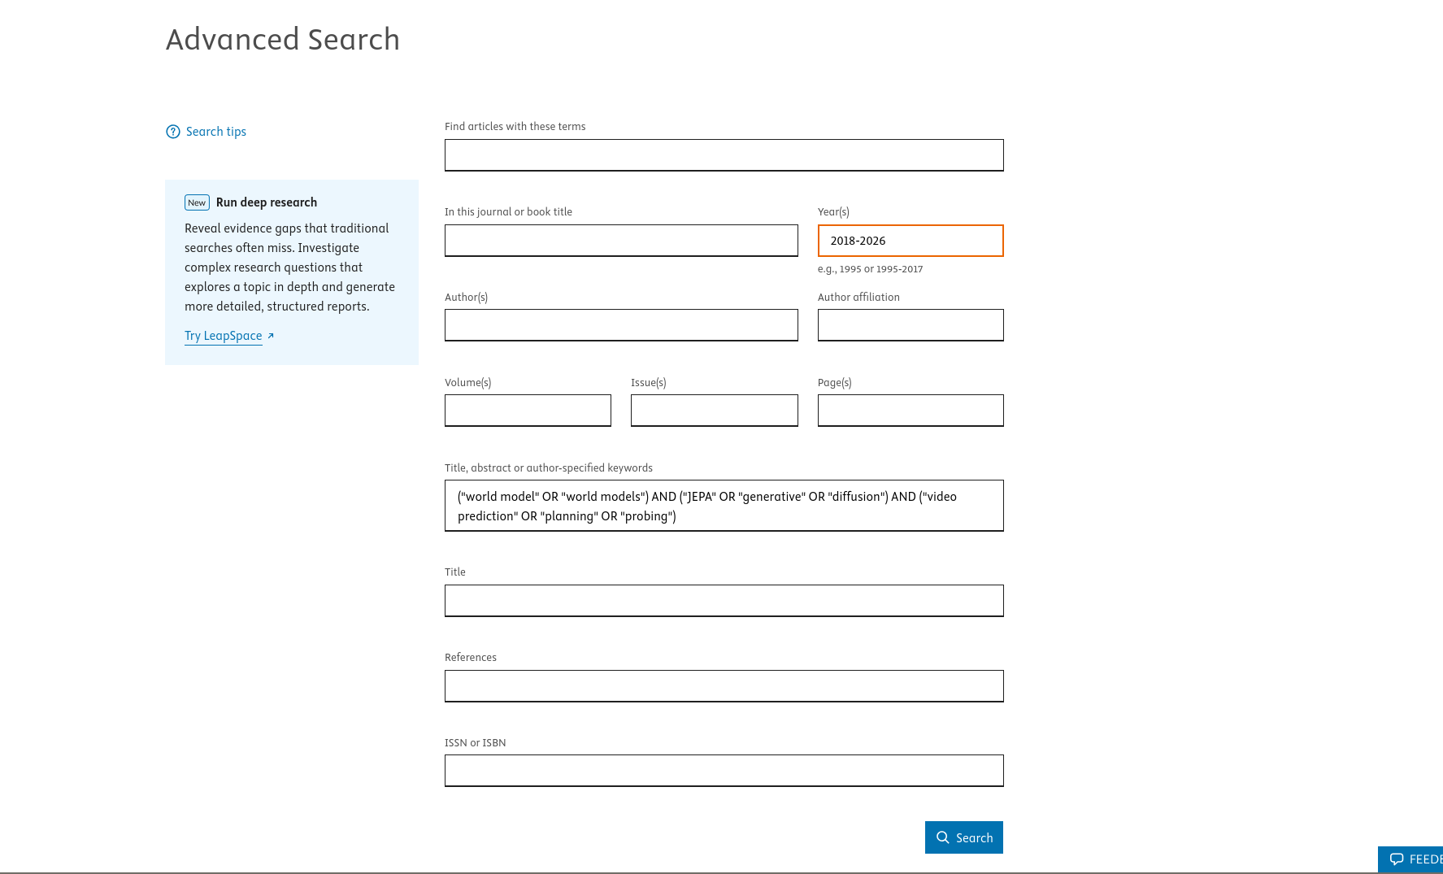
Springer Nature | api.springernature.com (Meta v2 API Key) / link.springer.com | 2026-09-22 | 12 Kueri Spesifik: "world model" video | "world models" video world model JEPA "joint embedding predictive architecture" "generative world model" | "diffusion world model" "video world model" | latent dynamics "video prediction" "visual world model" | "action-conditioned" video world model V-JEPA video | I-JEPA representation learning | Tahun 2018-2026; contentType:Article; Page-size: 20 | 232 | Hasil unik: 215 artikel.
ScienceDirect | api.elsevier.com (Elsevier API Key) / sciencedirect.com | 2026-09-22 | 4 Kueri Terfokus: 1. ("world model" OR "world models") AND ("JEPA" OR "generative" OR "diffusion") AND ("video prediction" OR "planning" OR "probing") 2. ("world model" OR "world models") AND ("video prediction" OR "video generation" OR "visual planning") 3. ("joint embedding predictive architecture" OR "JEPA" OR "V-JEPA") AND (video OR visual) 4. ("generative world model" OR "diffusion world model" OR "video world model") | Tanggal 2018-2026; Count: 25/batch | 214 | Hasil unik: 187 artikel.
Semantic Scholar | api.semanticscholar.org (Graph API) / semanticscholar.org | 2026-09-22 | 10 Kueri Embedding: 1. world model JEPA video prediction generative 2. world model video JEPA generative diffusion 3. world model video prediction video generation 4. JEPA joint embedding predictive architecture video visual 5. generative world model diffusion video 6. V-JEPA video representation learning world model 7. world model reinforcement learning video latent dynamics 8. video world model autoregressive diffusion transformer 9. learned world model visual planning simulation 10. I-JEPA V-JEPA self-supervised video | Tahun 2018-2026; publicationTypes:JournalArticle | 198 | Hasil unik: 192 artikel. |  | 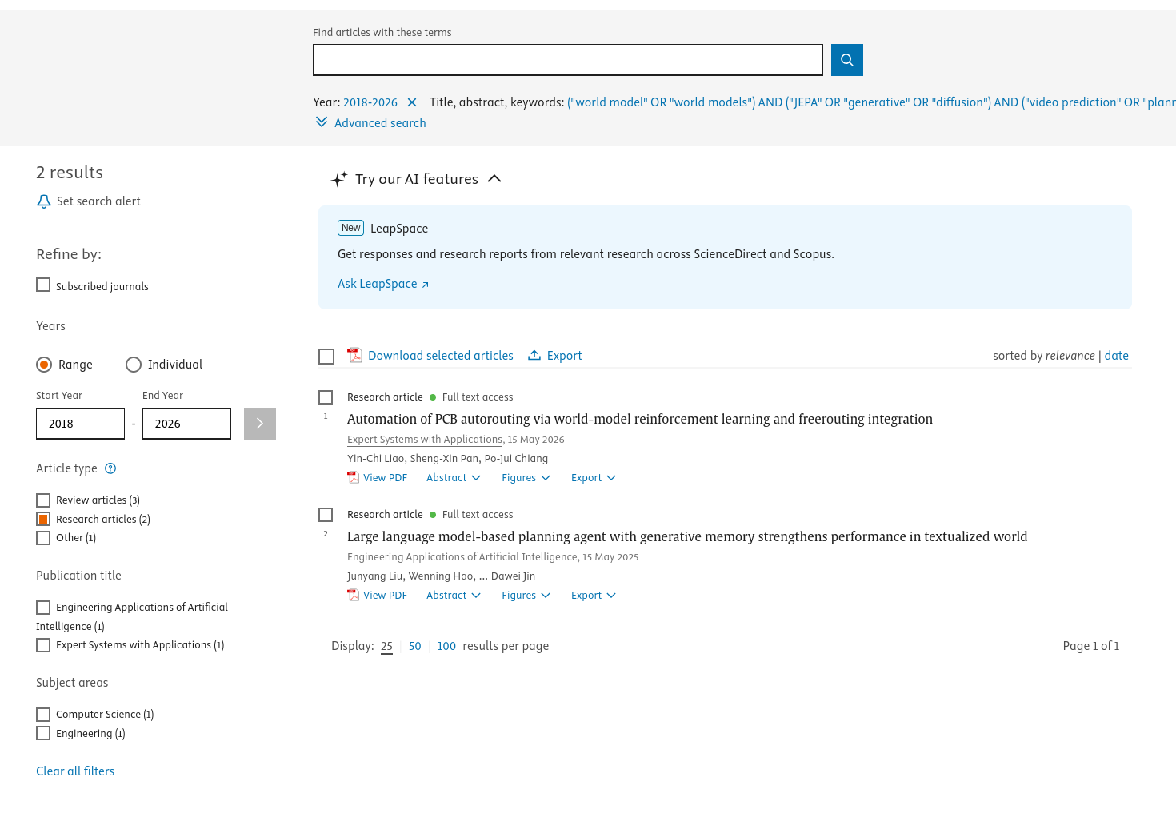
Scopus | api.elsevier.com (Elsevier API Key) / scopus.com | 2026-09-22 | 6 Kueri Scopus Terpadu (sintaks TITLE-ABS-KEY): 1. TITLE-ABS-KEY(("world model" OR "world models" OR "learned dynamics model") AND ("JEPA" OR "joint embedding predictive architecture" OR "generative world model" OR "diffusion world model") AND ("video prediction" OR "planning" OR "model-based RL")) 2. TITLE-ABS-KEY(("world model" OR "world models") AND ("video" OR "visual") AND ("JEPA" OR "generative" OR "diffusion" OR "autoregressive")) 3. TITLE-ABS-KEY(("JEPA" OR "joint embedding predictive architecture" OR "V-JEPA" OR "I-JEPA") AND ("video" OR "visual" OR "image" OR "representation")) 4. TITLE-ABS-KEY(("generative world model" OR "diffusion world model" OR "video world model")) 5. TITLE-ABS-KEY(("world model" OR "world models") AND ("video prediction" OR "frame prediction" OR "visual planning")) 6. TITLE-ABS-KEY(("action-conditioned" AND "world model" AND video)) | PUBYEAR > 2017; DOCTYPE(ar) | 86 | Hasil unik: 63 artikel.
PubMed | eutils.ncbi.nlm.nih.gov (NCBI E-Utilities) / pubmed.ncbi.nlm.nih.gov | 2026-09-22 | 5 Kueri Biomedis/Visual [Title/Abstract]: 1. ("world model" OR "world models") AND ("video prediction" OR "visual prediction") 2. ("world model") AND ("reinforcement learning") AND ("video" OR "visual") 3. ("JEPA" OR "joint embedding predictive") AND ("video" OR "visual") 4. ("generative world model" OR "diffusion world model") 5. ("latent dynamics") AND ("video" OR "visual" OR "planning") | mindate:2018/01/01; maxdate:2026/12/31 | 23 | Hasil unik: 17 artikel.
IEEE Xplore | developer.ieee.org / ieeexplore.ieee.org |  | 7 Kueri Terarah (Q01-Q07) via IEEE Xplore REST API (content_type: Journals) |  | 73 | Dieksekusi penuh via IEEE REST API (key resmi) setelah aktivasi aktif: 73 artikel jurnal unik.
TOTAL KESELURUHAN (8 basis data tereksekusi penuh; IEEE Xplore telah aktif & dimasukkan) |  |  |  |  | 2812 | Total unik setelah deduplikasi lintas basis data (EC1): 2.697 artikel (115 duplikat dieliminasi).

Search String Construction
Concept | PICOC Link | Primary Terms | Synonyms / Variants | Final Block
World Model (Dasar) | P | world model | world models; learned dynamics model; latent dynamics model; world modeling | ("world model" OR "world models" OR "learned dynamics model" OR "latent dynamics model")
JEPA Lineage | I | JEPA | joint embedding predictive architecture; I-JEPA; V-JEPA; MC-JEPA | ("JEPA" OR "joint embedding predictive architecture" OR "I-JEPA" OR "V-JEPA")
Generative Lineage | C (Comparison) | generative world model | diffusion world model; autoregressive world model; video diffusion model | ("generative world model" OR "diffusion world model" OR "autoregressive world model")
Downstream Tasks (Outcome) | O | downstream tasks | video prediction; frame prediction; action recognition; representation probing; planning; model-based RL; model-based reinforcement learning | ("video prediction" OR "frame prediction" OR "action recognition" OR "probing" OR "planning" OR "model-based RL" OR "model-based reinforcement learning")
Context (Domain & Simulation) | C (Context) | virtual environment | interactive simulation; digital simulation; visual sequence | ("interactive simulation" OR "virtual environment" OR "visual sequence")

Recommended Search Logic
Within a concept: OR | (term1 OR synonym1 OR synonym2)
Between major concepts: AND | (Population terms) AND (Intervention terms) AND (Outcome terms) | Detailed Search Strategy
Optional concepts | Comparison and Context can be added when they improve precision without unnecessarily excluding relevant studies.

